Magnetic Bearing Designs
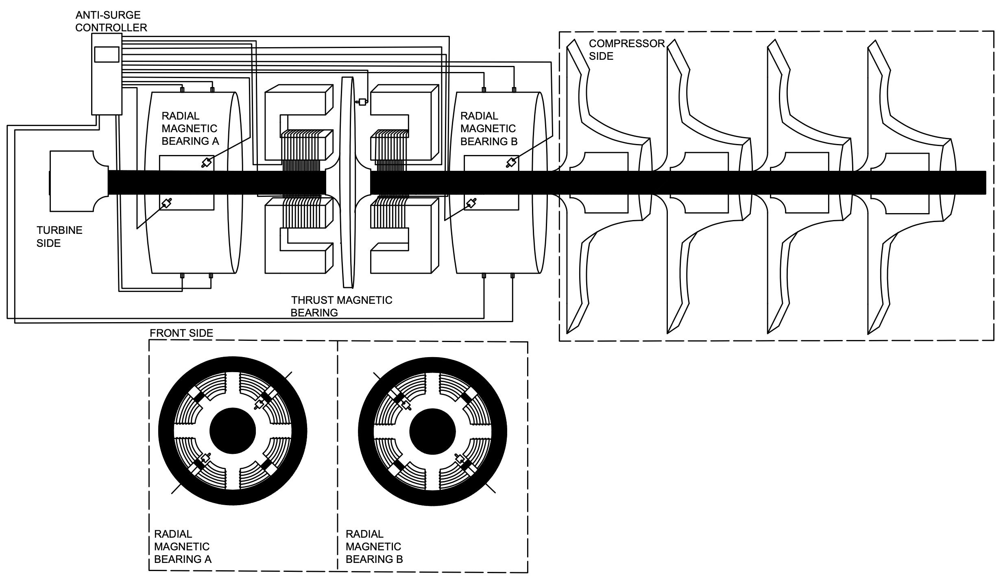
PRE-DESIGN CALCULATION : MAGNETIC BEARING SUSPENDED SYSTEM
Natural Gas Turbocompressor at P.T. Kaltim Methanol Industri

NG-Compressor
Name | Unit
compressor weight (kg) | 12000
rotor length (mm) | 2000
largest impeller diameter (mm) | 324
rotor comp. side (kg) | 149
rotor turbine side (kg) | 149
total rotor mass (kg) | 298
compressor speed (rpm) | 10995
max. axial clearance deflection (mm) | 1.5
max. radial clearance deflection (mm) | 0.0007

 |  |  | Necessary Stiffness | Accesible dynamic stiffness

 |  |  | Design Limit | Design Algorithm

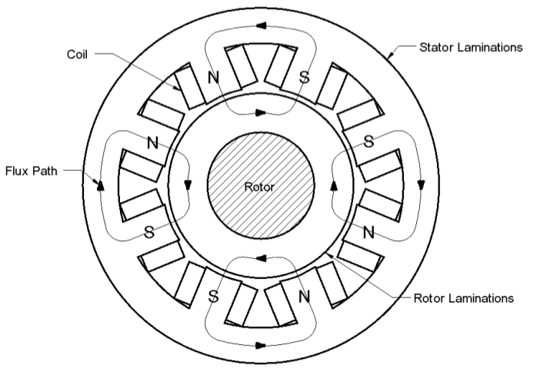
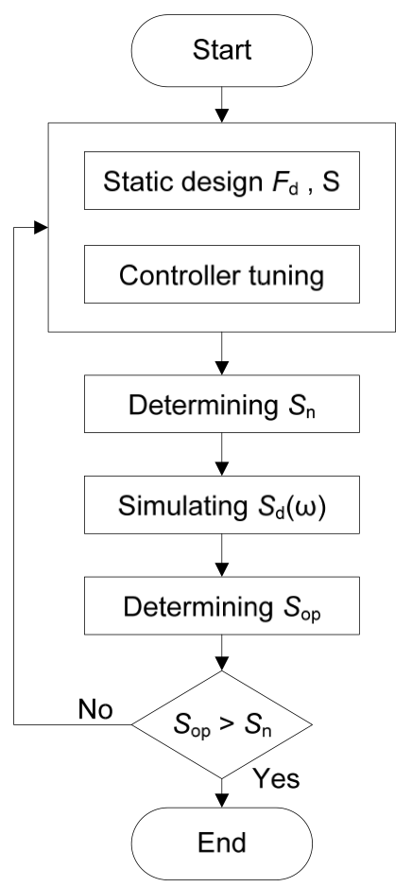
RADIAL AMB
Design Choices and Requirements
Name | Unit |  | Electromagnetic Constant
Fdist (N) | 2920.4
nominal air gap (mm) | 0.0035
Kem (kg.m^3/s^2) | 5.1515856E-08
maximum bearing force, Fmax (N) | 4205.376 |  | Maximum Bearing Force
Linear Force Calculation, Fmax=Fdist
Fmax | 4205.376
Fdist (N) | 4205.376
Kem (kg.m^3/s^2) | 7.418283264E-08
Flinear maximum (N) | 6055.74144
air gap, go (mm) | 0.5
bearing stiffness, Keq (N/mm) | 500
bearing damping, Beq (N.s/mm) | 2.5
Bsat (T) | 1.2
Amplifier Design
Name | Unit |  | Maximum Slew Rate |  | Biasing Ratio
rotational frequency, frot (Hz) | 183.25
maximum slew rate, dF/dt (N/s) | 4842043.4642
Vamax | 2421.0217321
maximum current, Imax (A) | 10 |  | Power Amplifier Maximum VA Rating |  | Bias Current
maximum voltage, Vmax (V) | 242.10217321
biasing ratio, bheta | 0.57674951235
bias current, Ib (A) | 5.7674951235
number of turns, N | 48 |  | Maximum Voltage |  | Number of Turns

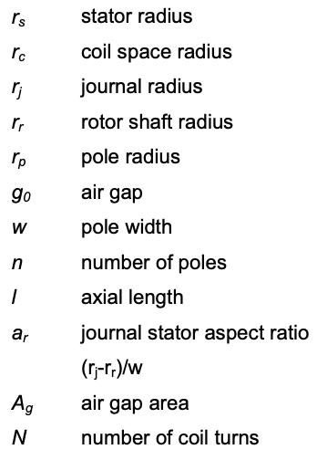
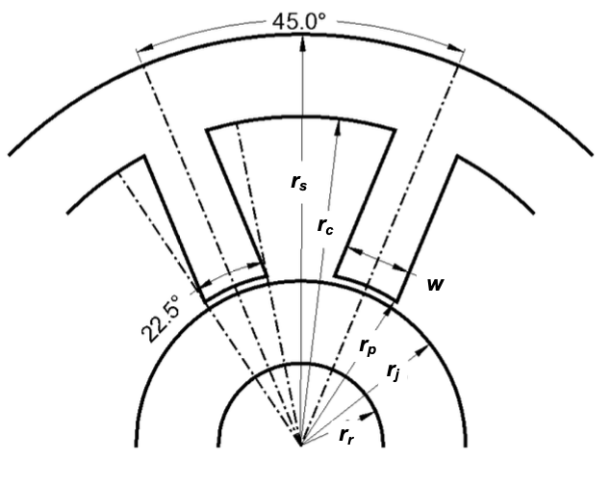
Journal Sizing and Stator Design
Name | Unit |  | Air Gap Area
theta | 0.19634954085
rr (m) | 0.14
aspect ratio, AR (rj-rr) | 1
air gap area, Ag (m^2) | 0.0044901361563 |  | Pole Width
w (m) | 0.03432725033
rj (m) | 0.17432725033
rp (m) | 0.17482725033
I (m) | 0.1308038399 |  | Journal Bearing | Pole Radius
Nlam | 373.72525684

 |  |  | Axial Length of The Journal |  | Number of Lamination/Stator

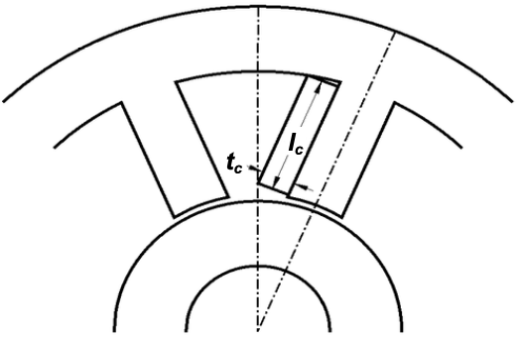
Coil Design |  |  | Removable Coil Configuration |  | Coil Length
Name | Unit
tc (m) | 0.15766362517
thermal limit, Jmax (A/m^2) | 3000000
copper fill factor, FFc | 0.5 |  | Coil Window Area |  | Coil Space Radius
coil window area, Av (m^2) | 0.00031830988618
Ic (m) | 0.0020189177171
coil space radius, rc (m) | 0.24867475668
pole length, Ip (m) | 0.073847506352 |  | Pole Length |  | Stator Radius

Coil Resistance and Inductance
Name | Unit |  | Wire Sized Needed |  | Wire Copper Area
rwire (m) | 0.0010300645387
Awire (m^2) | 3.3333333333E-06
Icoil (m) | 91.760783819
Coil Resistance, rhoc (ohm.m) | 1.912E-08 |  | Coil Length |  | Coil Resistance | Nominal Coil Inductance
Rcoil (ohm) | 0.52633985599
Lc (H) | 5.1453170238E-05

AMB Stiffness and Damping
Name | Unit |  | Forced Generate by Single Power Amplifier
F (N) | 5046.4512
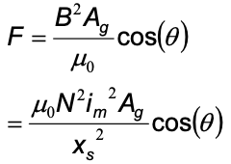
Ki | 582.10765374 |  |  |  | Current Gain
Ks | -6714606.1087

 |  |  |  |  | Position Stiffness

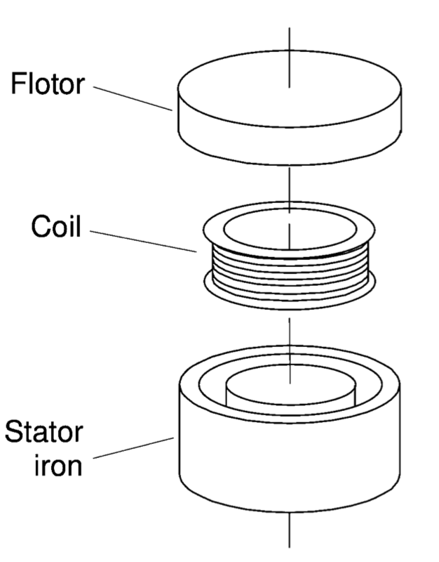
THRUST AMB
Design Choices and Requirements
Fdist (N) | 3000
nominal air gap (mm) | 5
Kem (kg.m^3/s^2) | 0.108
maximum bearing force, Fmax (N) | 4320
Linear Force Calculation, Fmax=Fdist
Fmax | 4320
Fdist (N) | 4320
Kem (kg.m^3/s^2) | 0.13193466712
Flinear maximum (N) | 5277.3866848
air gap, go (mm) | 1
bearing stiffness, Keq (N/mm) | 500
bearing damping, Beq (N.s/mm) | 2.5
Bsat (T) | 1.15
Amplifier Design
Name | Unit
rotational frequency, frot (Hz) | 183.25
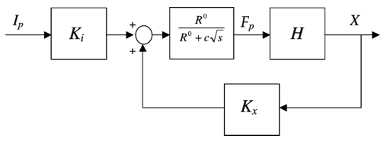
maximum slew rate, dF/dt (N/s) | 4974020.8166
Vamax | 4974.0208166
maximum current, Imax (A) | 10
maximum voltage, Vmax (V) | 497.40208166
biasing ratio, bheta | 0.53121896951
bias current, Ib (A) | 5.3121896951
number of turns, N | 92
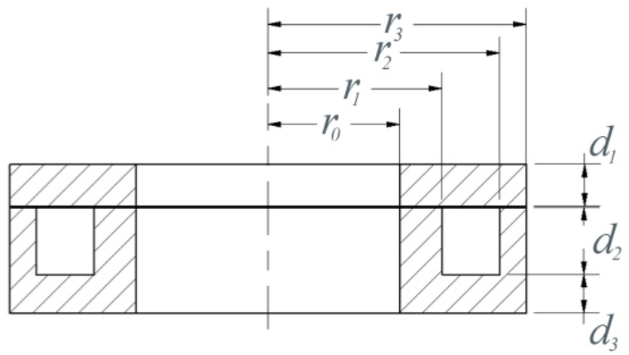
Using Zhu's Model
Name | Unit | Optimized
r0 (m) | 0.0517 | 0.1147
r1 (m) | 0.0683 | 0.1225
r2 (m) | 0.0909 | 0.1438
r3 (m) | 0.1013 | 0.15
d1 (m) | 0.0165 | 0.0075
d2 (m) | 0.0263 | 0.028
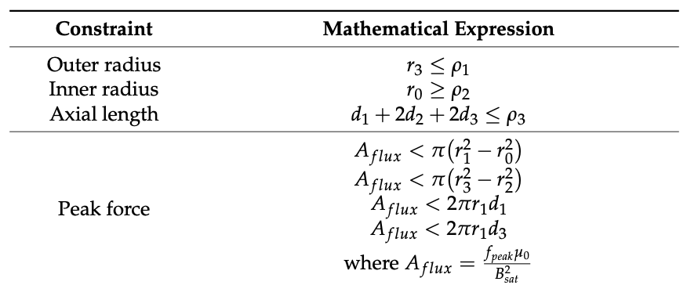
d3 (m) | 0.0152 | 0.0075
performance, w-3d (Hz) | 51.8 | 206.5
gap, go (m) | 0.001
Bsat (T) | 1.15 |  | Force, Pertubation, and Dispalcement Relationship
relative permeability | 1000
iron conductivity (S/m) | 10000000
maximum coil current density (A/m^2) | 300000000
outer radius, p1 (m) | 150
inner radius, p2 (m) | 50 |  | where,
axial length, p3 (m)
peak force, fpeak (N) | 4320
continuous force, fcont (N) | 2592
N turns | 92 |  | Design Constraints
ib (A) | 5.3121896951
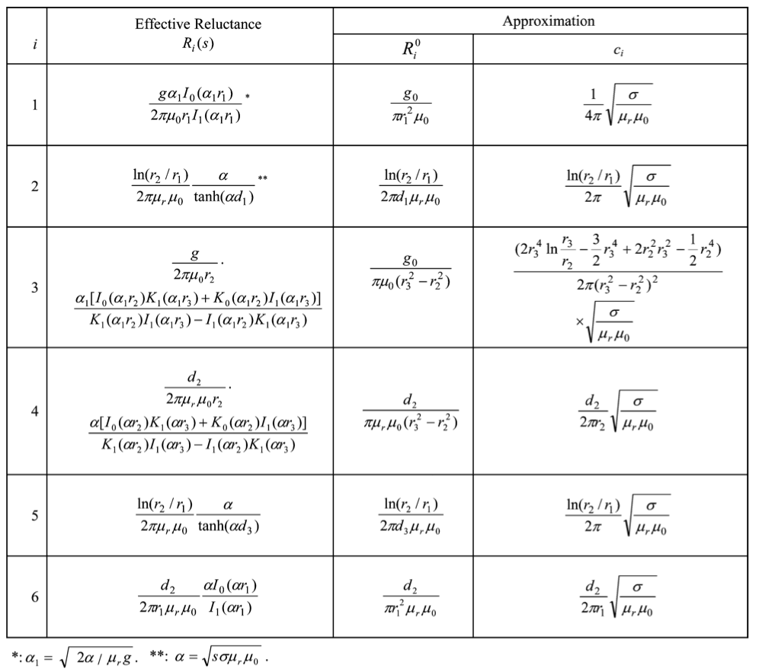
Reluctance Approximation
Name | Unit
Ro1 | 16879.830678
Ro2 | 2707.1739452
Ro3 | 139058.25727
Ro4 | 3893.6312035
Ro5 | 2707.1739452
Ro6 | 472.63525897
Ro | 165718.7023
Eddy Current Factor Approximation
Name | Unit
c1 | 7098.8043044
c2 | 2276.0529276
c3 | 408.01727579
c4 | 2764.4856818
c5 | 2276.0529276
c6 | 3245.167682
c | 18068.580799
Gain
A1 | 0.00091875
A2 | 0.00015975
A3 | 0.0000465
A4 | 0.0002201
A5 | 0.00015975
A6 | 0.00434875
Atot (m^2) | 0.0058536
Kflux | 52743587.825
Ki | 29126.353854
Kx | 16786796047

